Schema
What is Schema?
A database schema is a logical representation of data that shows how the data in a database should be stored logically. It shows how the data is organized and the relationship between the tables.

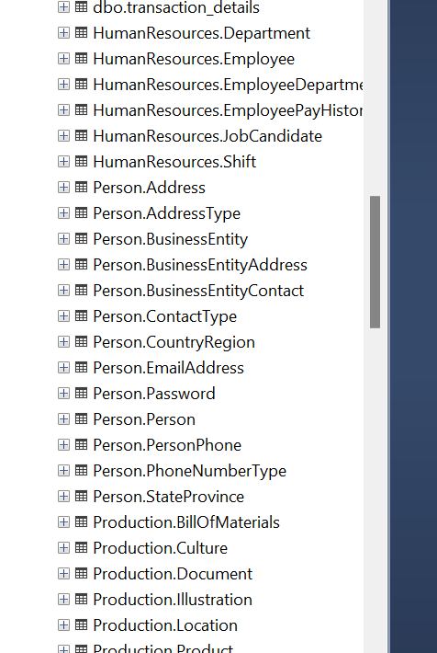
Database Schema contains:
Tables
Fields
views
relation between different keys like Primary Key and Foreign Key

